Tabelle2
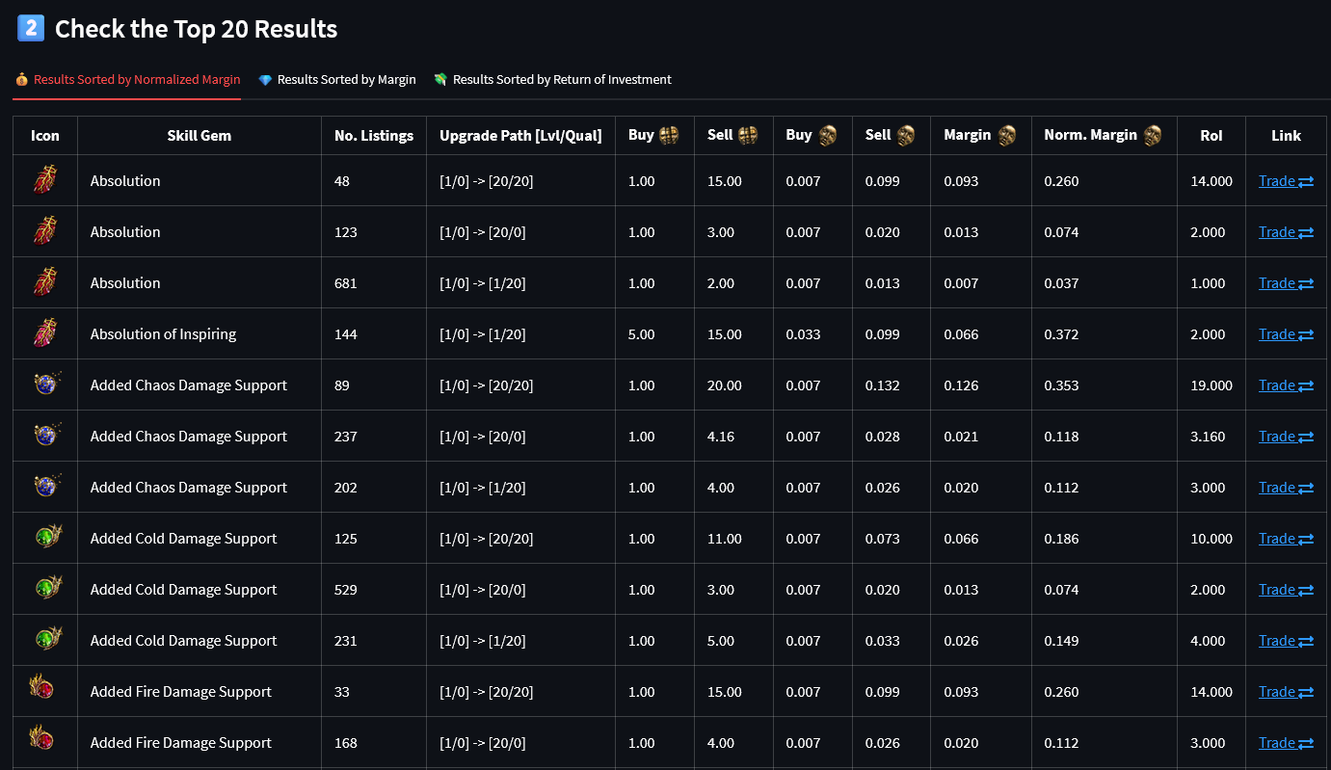
Icon | Skill Gem | No. Listings | Buy Chaos / Divine Orbs | Sell - Path 1 | Sell - Path 2 | Sell - Path 3 | Sell - Path 4
Absolution | Absolution | 48 | 1 / 0,007 | s.u. | s.u.

 |  | Regular Skill Gems | Regular Support Gems | Exceptional Gems | Awakened Gems
Path 1: | max regular level | 1/0 -> 20/0 | 1/0 -> 20/0 | 1/0 -> 3/0 | 1/0 -> 5/0
Path 2: | max regular level / quality | 1/0 -> 20/20 (+20gcp) | 1/0 -> 20/20 (+1gcp) | n/a | 1/0 -> 5/20 (+20gcp)
Path 3: | beasts | n/a | n/a | n/a | 1/0 -> 5/0
Path 4: | vaal orb | - not yet - | - not yet - | - not yet - | - not yet -
Path 5: | corruption temple | - not yet - | - not yet - | - not yet - | - not yet -

